Sheet1
Image | Code | Description | Remark | Item Type | Shade Info | Qty | RRP | Total RRP
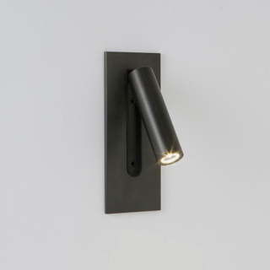 | 1080096 | BRONZE 3W LED WALL MOUNTED READING LIGHT |  | Bedhead Light | n/a | 41 | 118.00 | £4,838.00
 | 2380015 | SATIN CHROME WALL LIGHT WITH LED FLEXI ARM C/W DRIVER & SWITCH ON THE BACKPLATE |  | Bedhead Light | No shade | 32 | 52.00 | £1,664.00
 | 2380082 | POLISHED CHROME WALL LIGHT WITH LED KNUCKLE READING LIGHT AND ROCKER SWITCH |  | Bedhead Light | No shade | 128 | 87.00 | £11,136.00
 | 3670020 | MATT BLACK ANGULAR WALL LIGHT WITH LED READING LIGHT AND WHITE SHADE |  | Bedhead Light | Shade Incl. | 159 | 123.00 | £19,557.00
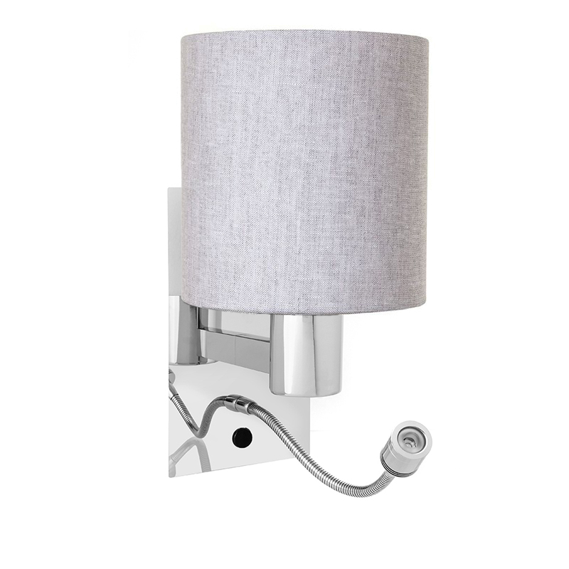 | 3670021 | POLISHED CHROME WALL LIGHT WITH LED FLEXI ARM C/W DRIVER & SWITCH ON THE BACKPLATE |  | Bedhead Light | No shade | 116 | 94.00 | £10,904.00
 | 3670032 | SATIN NICKEL WALL LIGHT WITH LED KNUCKLE READING LIGHT AND ROCKER SWITCH | Can be used with Shade SP027378 | Bedhead Light | No shade | 27 | 87.00 | £2,349.00
 | SP044240 | ANTIQUE BRASS 400MM LENGTH LED FLEXI ARM FLUSH BACKPLATE FLUSH SWITCHED HEAD | Item as image shown but in Antique Brass | Bedhead Light | n/a | 24 | 94.00 | £2,256.00
 | 7060011 | 12V 50W LV ROUND RECESSED DOWNLIGHTER WITH LOW GLARE BAFFLE - ALUM/BLACK |  | Commercial | n/a | 30 | 6.00 | £180.00
 | 7060012 | 12V 50W LV ROUND RECESSED DOWNLIGHTER WITH LOW GLARE BAFFLE - ALUM/ALUM |  | Commercial |  | 28 | 12.00 | £336.00
 | 7060021 | 50W GU10 SQUARE RECESSED DOWNLIGHTER WITH LOW GLARE BAFFLE - ALUM/ALUM |  | Commercial |  | 38 | 12.00 | £456.00
 | 2380025 | POLISHED CHROME FLOOR LAMP EXC SHADE (OVERALL HEIGHT 1750MM) |  | Floor Lamp | No Shade | 33 | 100.00 | £3,300.00
 | 3620689 | BRUSHED NICKEL FLOOR LAMP WITH TRIPOD FOOT AND CREAM CHINTZ SHADE WITH DIFFUSER |  | Floor Lamp | Shade Incl. | 35 | 188.00 | £6,580.00
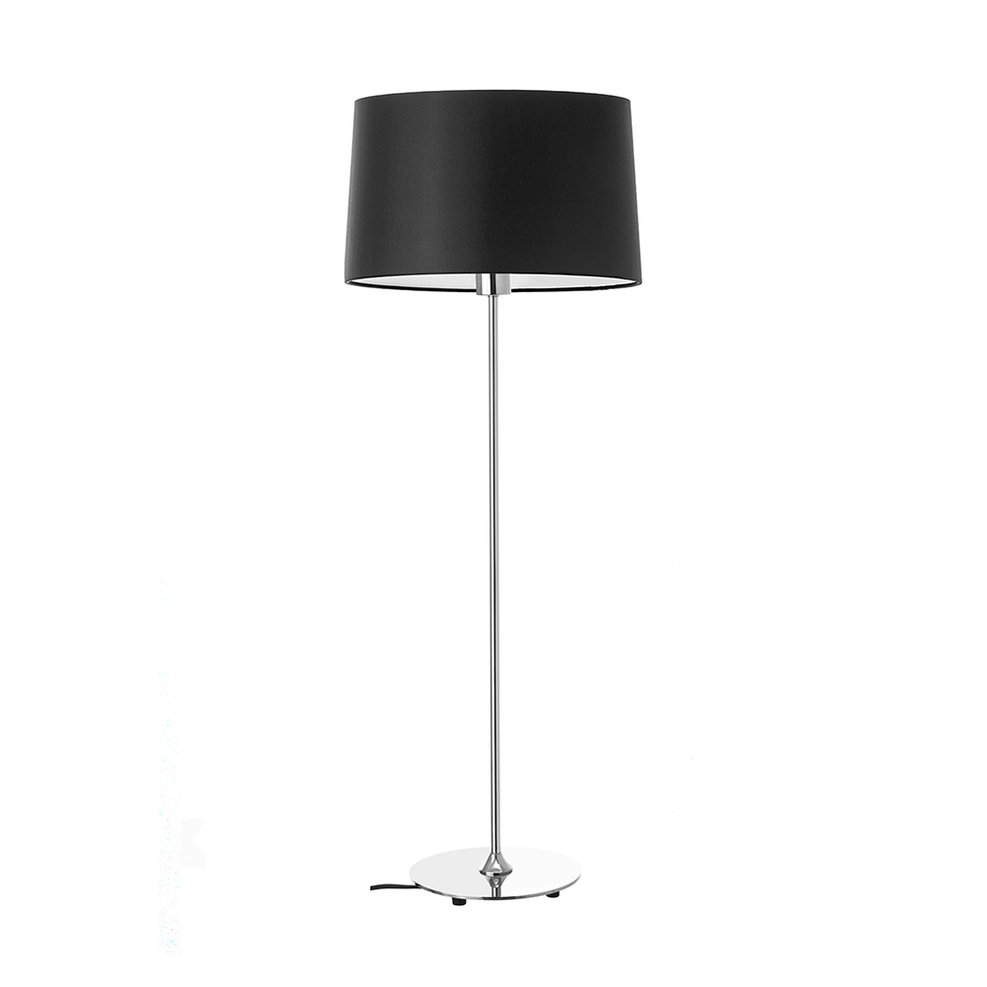 | 2380063 | POLISHED CHROME FLOOR LAMP WITH CIRCULAR BASE |  | Floor Lamp | No Shade | 43 | 138.00 | £5,934.00
 | 3670014 | BRUSHED NICKEL FLOOR LAMP WITH CIRCULAR BASE |  | Floor Lamp | No Shade | 71 | 98.00 | £6,958.00
 | SP027378 | TAPERED SHADE 110MM X 150MM X 150MM 45MM FIXING RECESSED 30MM INTO BOTTOM OF SHADE |  | Shade | n/a | 89 | 7.00 | £623.00
 | SP038175 | 150MM TOP DIA X 330MM BASE DIA X 275MM SLOPE HEIGHT PLEATED SHADE |  | Shade | n/a | 104 | 19.00 | £1,976.00
 | SP052488 | 350MM W X 150MM D X 150MM H CREAM CHINTZ RECTANGULAR SHADE |  | Shade | n/a | 48 | 28.00 | £1,344.00
 | 3670003 | MATT BLACK DESK LAMP WITH SATIN BRASS DETAILS AND ROCKER SWITCH |  | Table Lamp | No shade | 85 | 73.00 | £6,205.00
 | 3670008 | BRUSHED NICKEL LED DESK LAMP WITH ADJUSTABLE HEAD AND BASE ROCKER SWITCH |  | Table Lamp | n/a | 160 | 63.00 | £10,080.00
 | 3670015 | BRUSHED NICKEL DESK LAMP WITH BLACK DETAILS |  | Table Lamp | No shade | 138 | 63.00 | £8,694.00
 | 3680005 | MATT BLACK AND SATIN NICKEL DESK LAMP WITH PERFORATED SHADE |  | Table Lamp | Shade Incl. | 179 | 82.00 | £14,678.00
 | SP049660 | IP44 POLISHED CHROME WALL LIGHT WITH ADJUSTABLE AMBER GLASS SHADE |  | Wall Light | Shade Incl. | 30 | 69.00 | £2,070.00
 | 6500001 | SATIN NICKEL GX53 DOUBLE SWING ARM WALL BRACKET |  | Wall Light | n/a | 37 | 109.00 | £4,033.00
 | SP059372 | IP44 2 X 4.2W DIMMABLE LED WALL LIGHT WITH FROSTED GLASS DIFFUSERS AND BLACK METAL FINISH |  | Wall Light | n/a | 41 | 190.00 | £7,790.00
 | 3670016 | SATIN BRASS AND MATT BLACK WALL LIGHT |  | Wall Light | No shade | 51 | 103.00 | £5,253.00
 | 3670005 | BRONZE WALL LIGHT WITH ARTICULATED ARM |  | Wall Light | No shade | 94 | 75.00 | £7,050.00
 | 3670012 | BRUSHED NICKEL WALL LIGHT |  | Wall Light | No shade | 130 | 44.00 | £5,720.00
 | 3670002 | MATT BLACK WALL LIGHT WITH SATIN BRASS DETAILS |  | Wall Light | No shade | 185 | 38.00 | £7,030.00
 | 3680001 + 3680021 | BRUSHED BRASS WALL LIGHT WITH BRUSHED BRASS METAL CONE SHADE 3680021 BELOW |  | Wall Light | Shade Incl. | 192 | 50.00 | £9,600.00
 |  |  |  |  |  | 2,368 |  | £168,594.00

